Risk assessment
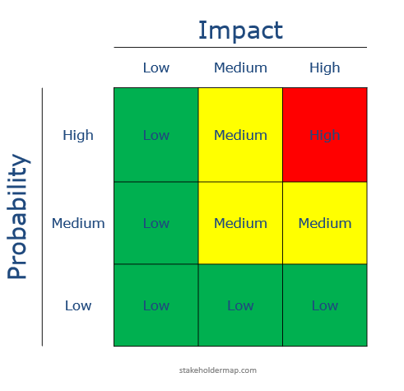
Potential risk - project | N/A | Risk description | Impact | Probability | Current risk | Control measure
 |  | Describe the risk in your project |  |  |  | How can you control or decrease this risk
Time
Research gap definition
Dependence of external collaborators/data
Experimental design - instrument availability
Experimental design - sample preparation
Experiemental design - availability chemicals and consumables
Experimental design - method(s)
Formel i Current risk kolonnen:
=HVIS(D3< >"";D3*E3;" ")
Experimental design - availability software
Experimental design - Instrument reliability

 |  |  |  |  |  |  | 1= Low | 1
 |  |  |  |  |  |  | 2= Medium | 2
Potential risk - HSE | N/A | Risk description | Impact | Probability | Current risk | Control measure | 3= High | 3
Chemicals - environment
Chemicals - HSE
Mental exhaustion

 |  |  |  |  |  |  | Risk

